Sheet1
EMPLOYEE PRODUCTIVITY ANALYSIS
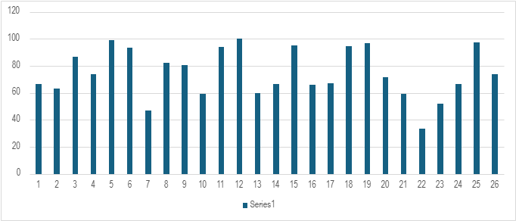
EMPLOYEE ID | NAME | GENDER | DEPARTMENT | SALARY | START DATE | EMPLOYEE TYPE | WORK LOCATION | TARGET | ACHIEVED | PRODUCTIVITY %
NM001 | Dinesh | Male | Filling | 20000 | 12-Nov-18 | Permanent | USA | 150 | 100 | 66.66666667
NM002 | Rekha | Female | Bundling | 19000 | 20-Jan-17 | Permanent | Delhi | 150 | 95 | 63.33333333
NM003 | Ravi | Male | Training | 15000 | 19-Apr-17 | Temporary | Bangalore, India | 150 | 130 | 86.66666667
NM004 | Akash | Male | Sales | 25000 | 20-May-18 | Permanent | Karnataka, India | 150 | 111 | 74
NM005 | Parimala | Female | Accounting | 50000 | 44502 | Temporary | Columbus,USA | 150 | 149 | 99.33333333
NM006 | Venkatesan | Male | Filling | 20000 | 46543 | Permanent | Delhi | 150 | 140 | 93.33333333
NM007 | Divya | Female | Accounting | 50000 | 22-Feb-21 | Temporary | Hyderabad, India | 150 | 70 | 46.66666667
NM008 | Vasanth | Male | Null |  | 43876 | Permanent | Bangalore, India | 150 | 123 | 82
NM009 | Mirudhula | Female | Support | 22000 | 43765 | Temporary | Telangana,India | 150 | 121 | 80.66666667
NM010 | Sanjana | Female | Service | 30000 | 22-Dec-17 | Temporary | USA | 150 | 89 | 59.33333333
NM011 | Manju | Female | Marketing | 25000 | 45678 | Permanent | Columbus,USA | 150 | 141 | 94
NM012 | Kavi | Female | Null |  | 13-Aug-22 | Permanent | Hyderabad, India | 150 | 150 | 100
NM013 | Uma | Female | Training | 15000 | 30-Sep-20 | Permanent | Seattle,USA | 150 | 90 | 60
NM014 | Mani | Male | Sales | 25000 | 43808 | Temporary | India | 150 | 100 | 66.66666667
NM015 | Ganesh | Male | Bundling | 19000 | 46509 | Temporary | Bangalore, India | 150 | 143 | 95.33333333
NM016 | Senthil | Male | Accounting | 50000 | 12-Apr-23 | Permanent | Delhi | 150 | 99 | 66
NM017 | Vijayan | Male | Marketing | 25000 | 30-Jul-22 | Permanent | Colombus,USA | 150 | 101 | 67.33333333
NM018 | Sri | Female | Sales | 25000 | 18-Oct-21 | Temporary | USA | 150 | 142 | 94.66666667
NM019 | Pavi | Female | Support | 22000 | 15-May-23 | Temporary | Bangalore, India | 150 | 145 | 96.66666667
NM020 | subha | Female | Null |  | 14-Sep-23 | Permanent | USA | 150 | 107 | 71.33333333
NM021 | Ajith | Male | Training | 15000 | 15-Jul-20 | Temporary | Bangalore, India | 150 | 89 | 59.33333333
NM022 | Sudha | Female | Null |  | 19-Jan-20 | Temporary | Hyderabad, India | 150 | 50 | 33.33333333
NM023 | Siva | Male | Training | 15000 | 44567 | Permanent | Telangana, India | 150 | 78 | 52
NM024 | Akhil | Male | Support | 22000 | 17-Nov-29 | Permanent | Columbus,USA | 150 | 100 | 66.66666667
NM025 | Shyam | Male | Filling | 20000 | 9-Jun-21 | Temporary | USA | 150 | 146 | 97.33333333
NM026 | Sanjay | Male | Marketing | 25000 | 6-Dec-21 | Permanent | Delhi | 150 | 111 | 74

